Sheet1
Test Case | Status | Bug ID | Bug description | Screenshot

TC_01 (2nd input) | Fail | BG_01 | locked_out_user can't log to the system

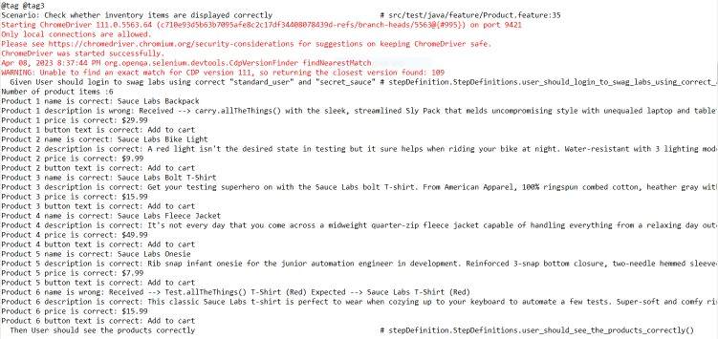
TC_12 | Pass | BG_02 | Product 1 description is wrong for standard user
 | Pass | BG_03 | Product 6 name is wrong for standard user

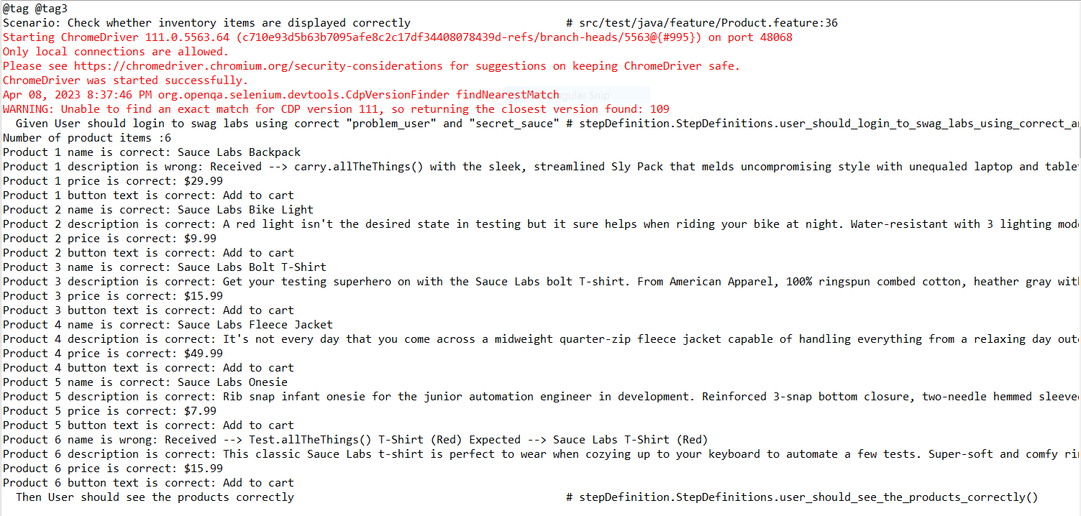
 | Pass | BG_04 | Product 1 description is wrong for problem user
 | Pass | BG_05 | Product 6 name is wrong for problem user

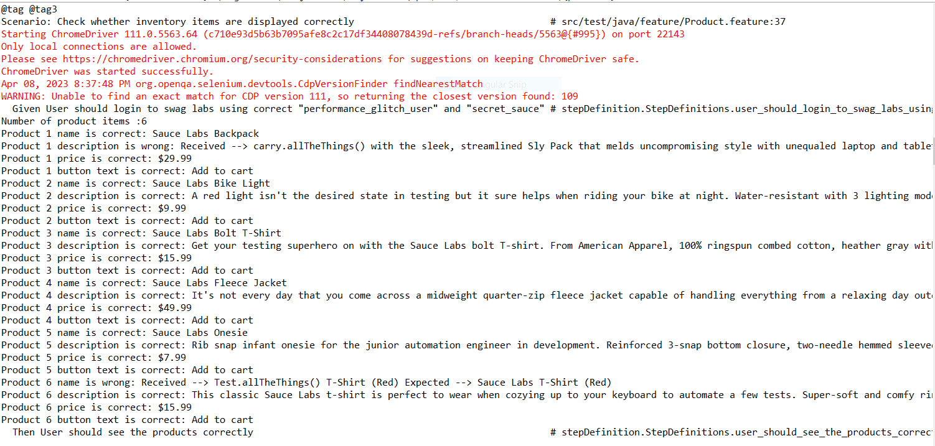
 | Pass | BG_06 | Product 1 description is wrong for problem user
 | Pass | BG_07 | Product 6 name is wrong for problem user

TC_12 | Pass | BG_08 | Incorrectly sorted Z to A for problem user

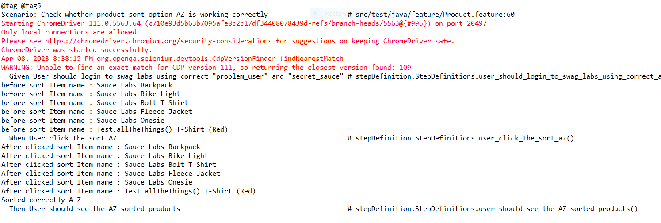
TC_13 | Pass | BG_09 | Sorted correctly A to Z but sort option button is not working for problem user

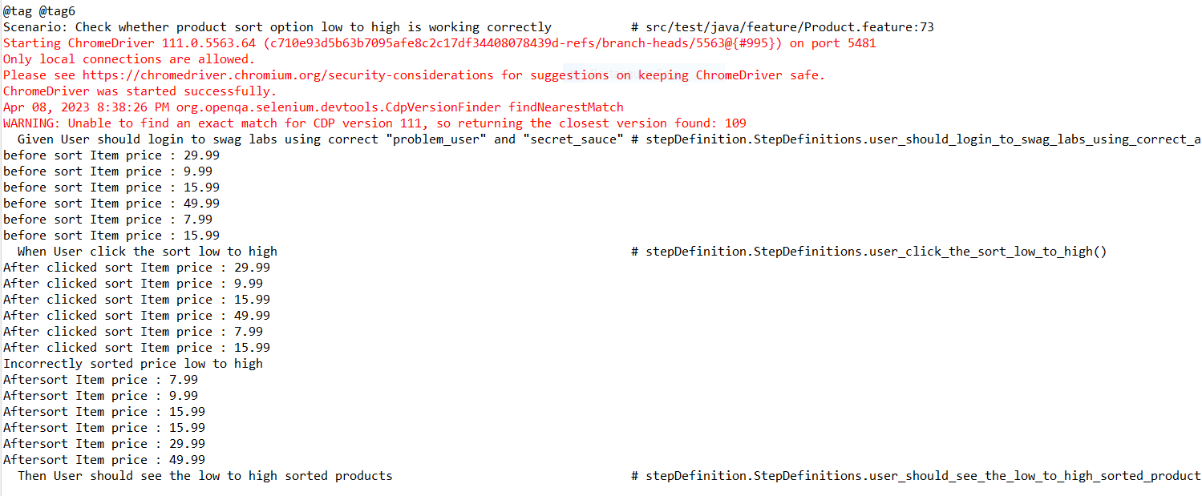
TC_15 | Pass | BG_10 | Incorrectly sorted price low to high for problem user

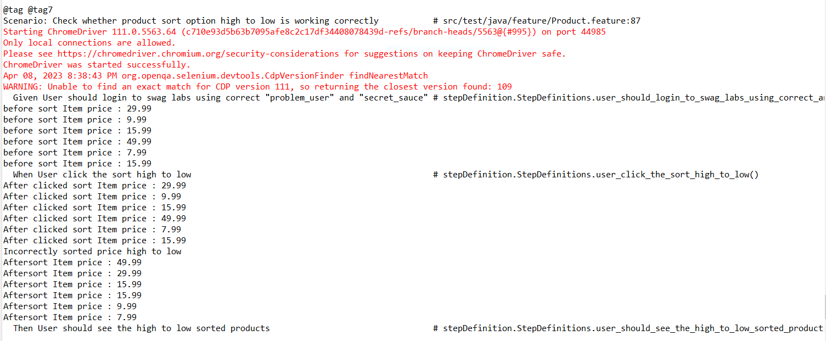
TC_16 | Pass | BG_11 | Incorrectly sorted price high to low for problem user

TC_17 | Pass | BG_12 | Incorrect product images for problem user

TC_23 | Fail | BG_13 | Add to cart button 3,4 and 6 are not working for problem user

TC_24 | Fail | BG_14 | Remove button 3,4 and 6 are not displayed for problem user

TC_25 | Pass | BG_15 | Incorrect navigation all product itmes in full view for problem user

TC_26 | Fail | BG_16 | Fail to add to cart products 3,4 and 6 for problem user

TC_27 | Fail | BG_17 | Fail to remove from cart products 3,4 and 6 for problem user

NOTE : performance_glitch_user experience long response time

